Sheet1
 |  | Document No. |  | Issue No. |  | Issue Date |  | Review and Replace Date |  |  | Authorised By
 |  | GFF0178MC |  | 1 |  | 11.06.2020 |  | New Issue |  |  | Magda Shah
 |  | Document Title | CHICKPEAS TIKKA MASALA WITH RED RICE 450g
Document amendments reason for change |  | New product launch |  |  | Page 1 of 1 |  | Previous Issue Date |  | New Issue |  | Uncontrolled copy unless signed original

PACK DATE + 1 YEAR
FVCTMR-R8TMC | MINDFUL CHEF |  |  | CHICKPEAS TIKKA MASALA WITH RED RICE 450g | FROZEN
STEP 1 |  |  |  | STEP 2 |  |  |  |  |  | STEP 3
 |  |  |  | 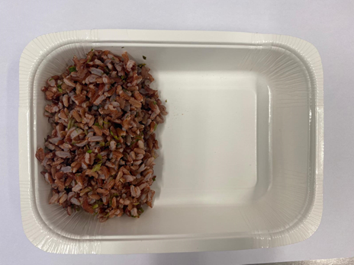 |  |  |  |  |  | 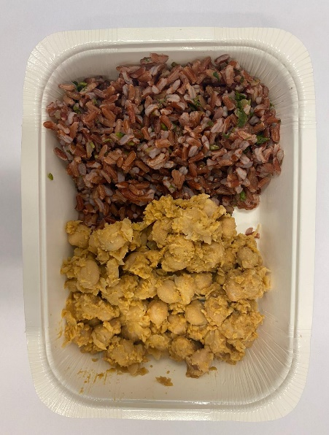

Tray: WHITE OVENABLE BOARD TRAY (PKSOU002-01)
HAND SEALER: Mylar 25OLAF 145mm x 500 (PKWRA001-07) |  |  |  | RED RICE WITH CORIANDER (GFF307R): 100g |  |  |  |  |  | COOKED MASALA CHICKPEAS (GFF308R) 100g
LINE 1: Mylar 250LAF 250mm x 1000 (PKWRA001-08)
LINE 1: K-Peel 75G + AF 25 250mm (PKKMP001-01)
STEP 4 |  |  |  | STEP 5 |  |  |  |  |  | STEP 6
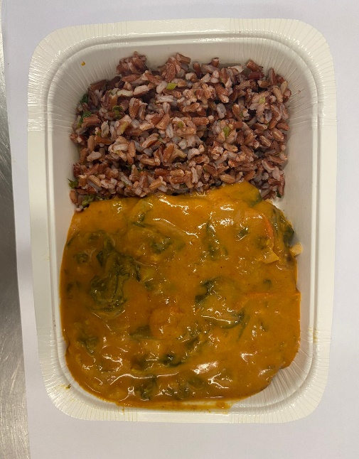 |  |  |  | 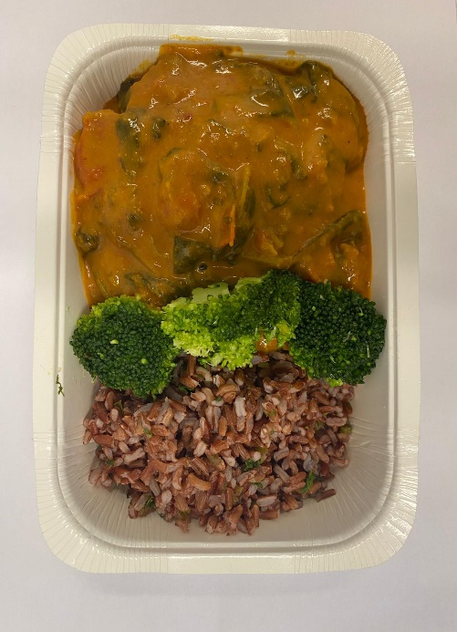 |  |  |  |  |  | 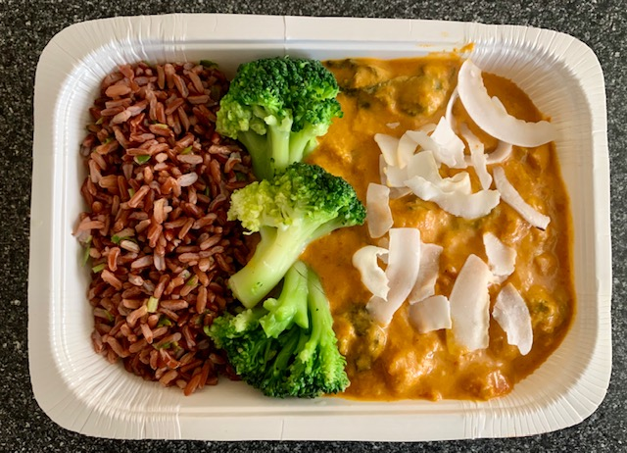

TIKKA MASALA SAUCE (MC) (GFF256R) 205g |  |  |  | STEAMED BROCCOLI (GFF291R) 40g |  |  |  |  |  | RAW COCONUT CHIPS (RMKLU001-05) 5g |  | TOTAL WEIGHT: 450g

ALLERGY ALERT: NONE

